{Emilystiendita}_Module12_P (2)
 |  |  |  |  |  | Lat | Long
 |  |  |  |  | New DC: | 33.149971647 | -89.559977187
 |  |  |  |  |  |  |  |  |  |  |  |  |  | last_year_demand | expected_yoy_change
 |  |  |  |  |  |  |  |  |  |  |  |  |  | 1974.73 | -0.09
 | Store Location |  | Current DC |  |  | New DC |  |  | Model Decision |  |  |  |  | 2123.86 | -0.12
store_name | lat | long | Lat | Long | Current DC Dist | Lat | Long | New DC Dist | Use New? | Dist | Difference | Demand |  | 1459.55 | -0.11
Starting Point | 37.0275 | -97.42125 | 39.8 | -97.1 |  |  |  |  |  |  |  | Last Years | This Years | 1490.18 | 0.12
Butter Pecan Bluff | 37.19 | -87.79 | 39.8 | -97.1 | 9.67 | 33.149971647 | -89.559977187 | 4.4 | TRUE | 4.4 | -177.7257 | 1974.73 | 1797.0043 | 2125 | -0.08
Jelly River Delta | 44.55 | -103.68 | 39.8 | -97.1 | 8.12 | 33.149971647 | -89.559977187 | 18.1 | FALSE | 8.1 | -254.8632 | 2123.86 | 1868.9968 | 1535.78 | 0.09
Popping Candy Plains | 37.77 | -118.31 | 39.8 | -97.1 | 21.31 | 33.149971647 | -89.559977187 | 29.1 | FALSE | 21.3 | -160.5505 | 1459.55 | 1298.9995 | 1616.84 | -0.05
Smores Summit | 30.5 | -87.02 | 39.8 | -97.1 | 13.71 | 33.149971647 | -89.559977187 | 3.7 | TRUE | 3.7 | 178.8216 | 1490.18 | 1669.0016 | 1625.69 | 0.09
Sour Patch Prairie | 37.74 | -95.73 | 39.8 | -97.1 | 2.47 | 33.149971647 | -89.559977187 | 7.7 | FALSE | 2.5 | -170 | 2125 | 1955
Strawberry Swirl Stream | 44.3 | -106.55 | 39.8 | -97.1 | 10.47 | 33.149971647 | -89.559977187 | 20.3 | FALSE | 10.5 | 138.2202 | 1535.78 | 1674.0002
Swedish Fish Shores | 33.15 | -89.56 | 39.8 | -97.1 | 10.05 | 33.149971647 | -89.559977187 | 0.0 | TRUE | 0.0 | -80.842 | 1616.84 | 1535.998
Vanilla Chai Vortex | 31.02 | -90.73 | 39.8 | -97.1 | 10.85 | 33.149971647 | -89.559977187 | 2.4 | TRUE | 2.4 | 146.3121 | 1625.69 | 1772.0021

 |  |  |  |  |  |  |  |  | Objective | 52.9
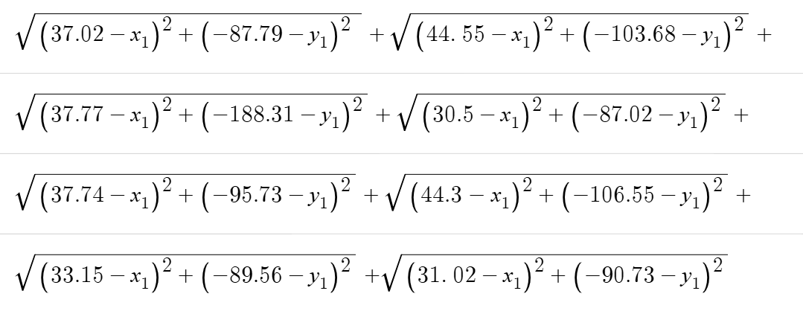
MIN:
NO CONSTRAINTS
Decision Variables:
X_1= Location of new tower with respect to the x- axis
Y_2= Location of new tower with respect to the y axis

